PIA Validation
PIA Validation | Status | Notes | Owner | 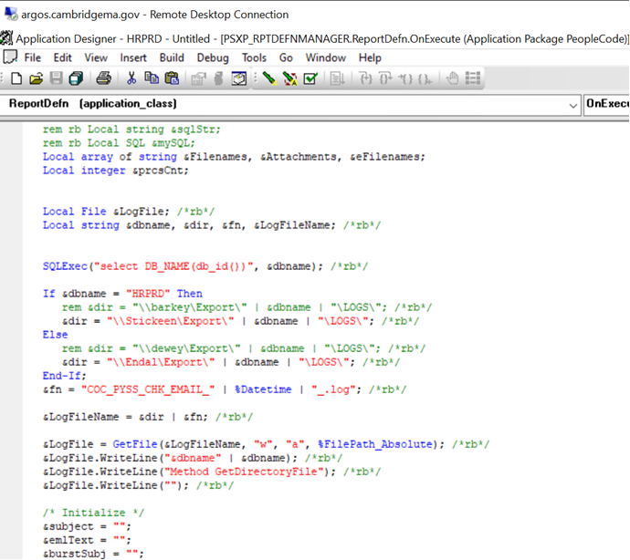 Reference
Integration Broker configuration-Gateways, Service Configuration |  |  | Sribalaje
Activate the Domain and configuration status |  |  | Sribalaje
Ensure Nodes on Unified navigation workcenter |  |  | Sribalaje
Ensure Tools release are updated on the Nodes |  |  | Sribalaje
Ensure Fav, Recent Pages and unified navigation is working |  |  | Sribalaje
Ensure Time Zone on system process request |  |  | Sribalaje
Sample Process Test(AE,SQR & CBL) |  |  | Sribalaje
Ren configurtaion and Test |  |  | Sribalaje
Report Node Posting Validations |  |  | Sribalaje
Remote Cobol Test |  |  | Sribalaje
Open Search testing on all Pillars |  |  | Sribalaje
Kibana tesing on all Pillars |  |  | Sribalaje
RTI Configuration and testing |  |  | Sribalaje
Query to excel test |  |  | Sribalaje
Signout URL test |  |  | Sribalaje
Copy new sqr into new PSNT(NJ-SDP-PSNT1) |  |  | Sribalaje
ESS Login URL Testing |  |  | Sribalaje
Production SSO Internal URL testing |  |  | Sribalaje
Production SSO External URL testing |  |  | Sribalaje
Front Page Logo Check |  |  | Sribalaje
Perform complete IVT |  |  | Sribalaje
Ensure Forgot my password is working on Internal & External |  |  | Sribalaje
Ensure Indexes are dropped by DBA-PS_CHARTFIELD1_TBL |  |  | Sribalaje
Ensure DBLINKS are working as expected |  |  | Sribalaje
Ensure PS_FILEDIR Environment Variable has been set on PSUNX & D:\psoft\PSFILEDIR on PSNT |  |  | Sribalaje
Ensure Origin IP Address console changes works as expected |  |  | Sribalaje
Test BYPASS URL on Employee Portal,HCM & FSCM |  |  | Sribalaje
Test CG, SDFP92SI |  |  | Sribalaje

Post-Upgrade Technical Tasks

